1. Title Page
Instacart Grocery Basket Analysis

Project Name: Instacart Grocery Basket Analysis
Date: 7/22/2022
Analyst Name: Mark Regini

Contents:
Population Flow
Consistency checks
Wrangling steps
Column derivations
Visualizations
Recommendations

2. Population Flow
Title page

Population flow

Exclusion flag
Condition: max_order < 5 orders
Obervations to be removed: 1,440,295
Final total count of order_products_all: 30,964,564

Orders_products_combined
Orders_products_merged
Orders_products_all

Total: 32,404,859
Total: 32,434,489
Total: 32,435,059

1.) The grey boxes in the first row of the population flow represent the original data sets as they were when you downloaded them. In the Total fields you need to add the count of the rows when you imported the data set into Jupyter.
2.) The second row of boxes (coloured) represents the data sets after you manipulated them, e.g., removed missing values and duplicates. In the Total fields you need to add the count of the rows after conducting these operations. This offers a visual oveview of how the data flows throughout the data consistency checks.
3.) The third row, where also the arrows are coloured, represents the merges you performed between the datasets. In the Total fields you need to add the count of the rows in the merged datasets, so that you end up with the final dataset (in the red box). Keep in mind the final dataset should be without exclusions (based on the exclusion flag).

3. Consistency checks
 |  |  |  | Title page
Consistency checks

Dataset | Missing values | Missing values treatment | Duplicates
orders | prices | too high, made NaN any price over 100 | N/A
products | product_name | Made NaN and removed | Five duplicates, removed
orders_products_prior | N/A | N/A | N/A
customers | N/A | N/A | N/A

4. Wrangling steps
 |  |  |  | Title page
Wrangling steps

Columns dropped | Columns renamed | Columns' type changed | Comment/Reason
eval_set |  |  | unnecessary to analysis
 |  | order_id | changed to string type
 |  | user_id | changed to string type
 | order_dow |  | changed to 'order_day_of_week' for clarity
_merge |  |  | dropped after every merge, unnecessary to analysis and cluttered data
 | first_name |  | For clarity purposes
 |  | First Nam | changed to string type
 | last_name |  | For clarity purposes
 | gender |  | For clarity purposes
 | state |  | For clarity purposes
 | age |  | For clarity purposes
 | dependents |  | For clarity and spelling error
 | family_status |  | For clarity purposes
first_name |  |  | Dropped for PII reasons, not needed for analysis
last_name |  |  | Dropped for PII reasons, not needed for analysis

5. Column derivations
 |  |  |  | Title page

Column derivations and aggregations

In this tab you should add tables below that the frequences of flags/label variables that you produced after deriving them. NB: don't do this for continuous variables, only for flags.
Dataset | New column | Column/s it was derived from | Conditions
orders | first_order | days_since_prior_order | If derived column was null, mark True. Otherwise mark False
ords_prods_merged | price_range | prices | Price <=5, low-range. 5 < price <= 15, mid-range. Price >=15, high range
ords_prods_merged | busiest_day | order_day_of_week | If 0, busiest day. If 4, least busy. For all else, regularly busy
ords_prods_merged | busiest_days | order_day_of_week | If 0 or 1, busiest day. If 3 or 4, slowest day. For all else, regularly busy
ords_prods_merged | busiest_period_of_day | order_hour_of_day | If hour is between 8 and 18, most orders. If hour is 6 or earlier, fewest orders. For all else, average orders
ords_prods_merged | max_order | user_id, order_number | Inputs max order amounts for each user_id
ords_prods_merged | loyalty_flag | max_order | If >40, loyal customer. If <=40 and >10, regular customer. If <=10, new customer
ords_prods_merged | avg_order | user_id, prices | Inputs mean expenditure per user_id
ords_prods_merged | med_order_day | user_id, days_since_prior_order | Inputs median days since previous order per user id
ords_prods_merged | cust_order_reg | med_order_day | If >20, non-frequent. If <=20 and >10, regular customer. If <=10, frequent customer
ords_prods_merged | age_profile | age | If >=18 and <29, young adult. If >=29 and <65, adult. If >=65, senior
ords_prods_merged | income_profile | income | if < 52200, lower class. If >=52200 and < 156601, middle class. All else, upper class
ords_prods_merged | goods_profile | department_id | assigned correct department to numerical indicator in data
ords_prods_merged | dependents_profile | dependents | if 0, no dependents. All else, dependents
ords_prods_merged | customer_profile | age_profile, income_profile, dependents_profile | created a label and flag for all possible permutations and combinations of the other profile indicators

6. Visualizations
 |  |  | Title page

Visualisations

In this tab you should include all the visualtions from Exercises 4.9 and 4.10, alongside the questions from the project brief that they answer. Include any commentary on the relationship between different variables.

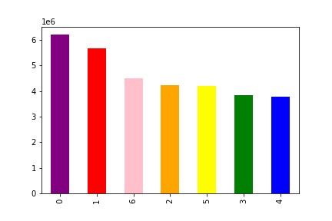
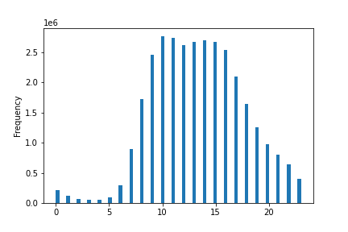
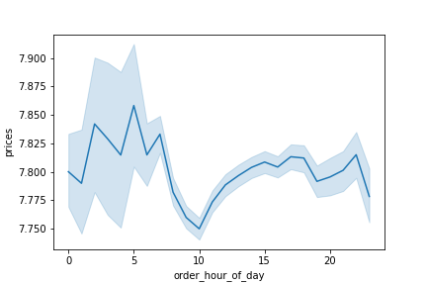
What are the busiest days of the week and busiest hours of the day? |  |  |  |  | During what time do the most sales occur within the service?
Number of Sales by Day |  | Number of Sales by Hour |  |  |  | Average Expenditures per Hour

0: Saturday, 1: Sunday, 2: Monday, 3: Tuesday, 4: Wednesday, 5: Thursday, 6: Friday

These visualizations show that the top three days for customers of Instacart to use the service are Saturday, Sunday, and Friday. Orders are most common between the hours of 9am and 4pm PST, with significant drops outside of this timeframe. |  |  |  |  |  | This is showing a massive spike in expenditure in the early hours of the day, with a dramatic dip around 10 and coming back to similar - albeit lower - averages through the rest of the night.

Are there certain products that sell better than others?
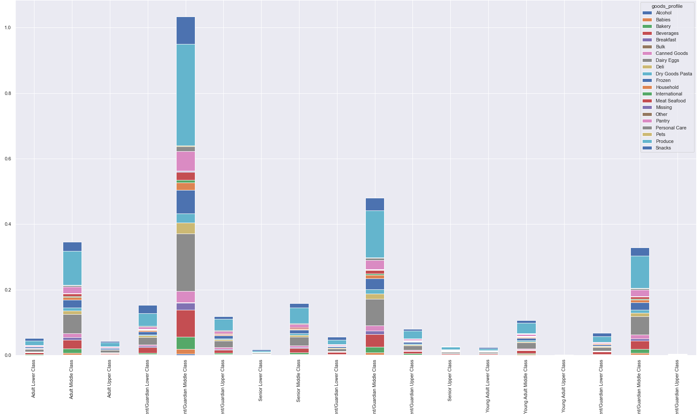
 |  |  |  |  |  |  | Looking at this visualization, we can see that throughout the customer demographics produce is the primary department consumed by the customer base. If we were to look closer, we see that dairy and eggs are the next highest sellers; beverages round out the top three.

What is the distribution among users in regards to brand loyalty? |  |  |  | Is there a connection between age and family situation?
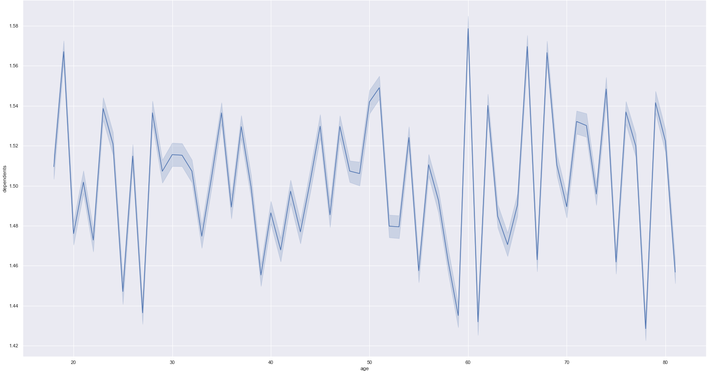
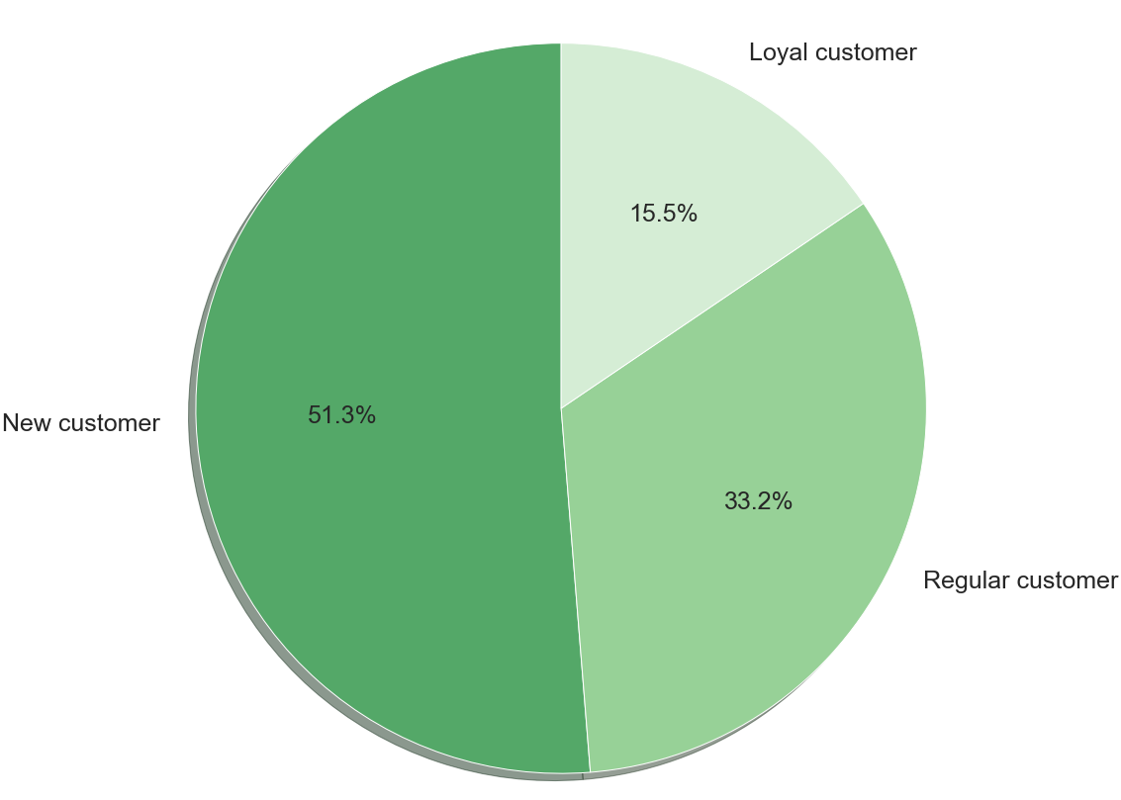

We can see that when we remove those users that have less than five orders with the service, there is still a large portion of users that are considered "new customers": they have at most ten orders with us. Regular customers are our second largest loyalty level, followed by our loyal customers with over 40 orders with the service.

 |  |  |  | We can see in this visualization that the amount of dependents by age vary wildly throughout the data. One thing of note is that four of the top five peaks in this chart show that the most dependents are with those that are around 18 years old, or above the age of 60. While the peaks occur here, the floor of number of dependents occur from the 33 to 55 years old range.

 | Is there a connection between age and income level?
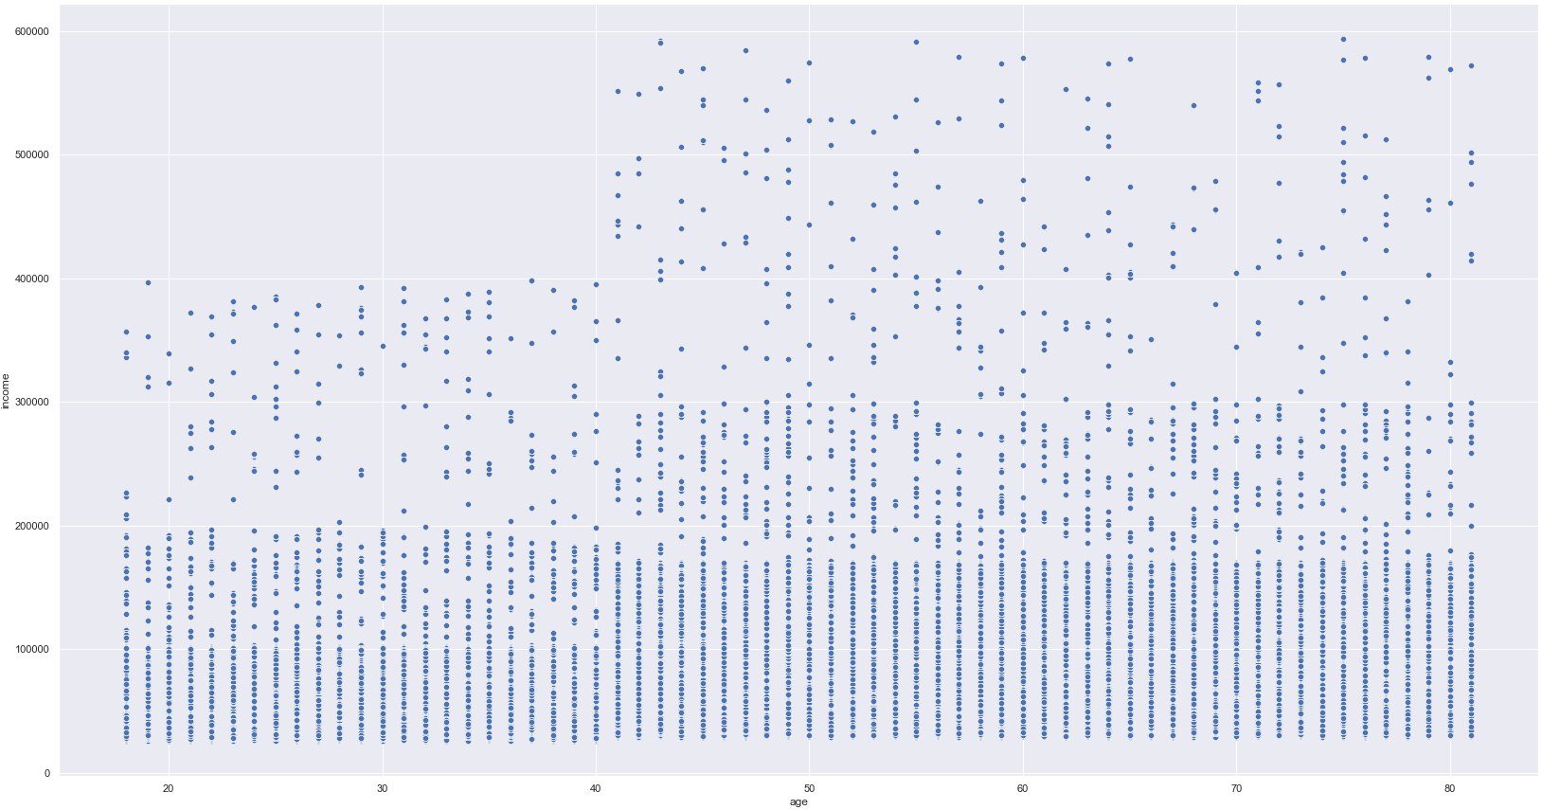

 |  |  |  |  |  |  |  | From the scatterplot, we can see a rather well defined breakpoint in regards to income levels. Before the age of forty, the majority of incomes are at 200,000 currency with a pretty distinguishable line capping out at 400,000. Once we pass the age of forty, we see the majority of incomes increase to 300,000 currency with the line capping out at around 600,000 currency.

What is the breakdown of our customer base?
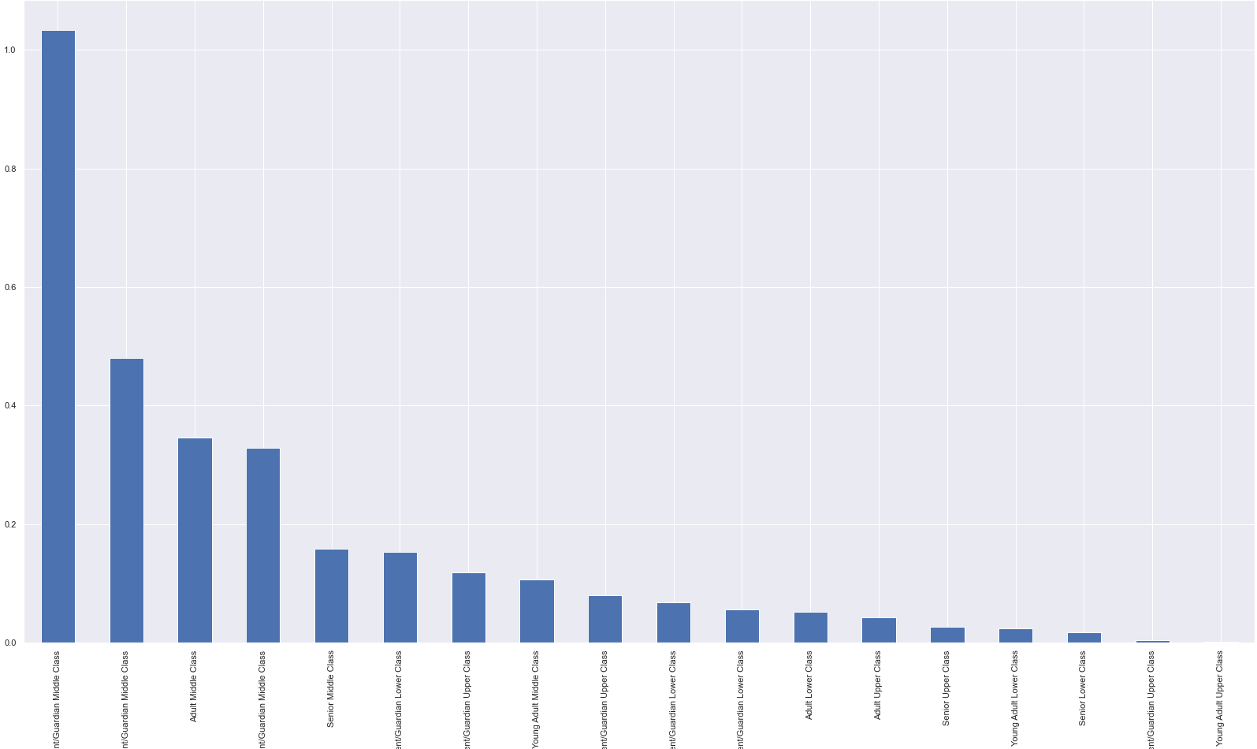
 |  |  |  |  |  |  |  | This visualization shows us the number of customers in the Instacart service, broken down by age, income levels, and whether they have dependents

7. Recommendations
 | Title page

Recommendations

In this tab you should include any recommendations you would made to Instcart in terms of their marketing strategy based on the questions posed in the brief. Every key question has been covered in the Tasks of the Exercises - here you need to add them, acompanied by a comment from you. Please, list the questions below and add the answer underneath.

Question | Answer
The sales team needs to know what the busiest days of the week and hours of the day are (i.e., the days and times with the most orders) in order to schedule ads at times when there are fewer orders. | According to the data, Saturday, Sunday, and Friday are the three top days for orders. This is most likely due to parties, picnics, and get togethers happening on those days. The busiest hours in terms of number of orders are between the hours of 9a to 4p; hours where people are more likely to be active.I would recommend advertising during the peak hours over the three day weekend where the most orders are being placed: from 9a to 4p. This is the time slot in which more revenue can be produced, and is thus the ideal time to advertise to the customer base.
They also want to know whether there are particular times of the day when people spend the most money, as this might inform the type of products they advertise at these times. | The hours with the most amount of sales are during the early mornings and late nights. I presume this to be the case when children are typically sleeping and parents are able to plan and order for the day. I would urge the advertisement of products not typically ordered during the peak times.
Are there certain types of products that are more popular than others? The marketing and sales teams want to know which departments have the highest frequency of product orders. | The data suggests that produce is by far the most popular product sold on the service; this is true across all customer profiles. Dairy and eggs are the second most popular department purchased from, followed by beverages. Looking at the times, days, and typical customer on the service, this would make the most sense as the customer base is primarily middle class parents or guardians.
What’s the distribution among users in regards to their brand loyalty (i.e., how often do they return to Instacart) | The customer base is primarily filled with new customers - those that have no more than 10 orders - with slightly over 50% of the customers. Regular customers make up about one-third of the users on the service, with loyal customers rounding out the other 15%. Loyal, as defined by Instacart, are those with over 40 orders through the service.
Are there differences in ordering habits based on a customer’s loyalty status? | This is a very intriguing and promising question. The information has found that, unsurprisingly, the loyal customers are always frequently ordering with the service. This gives a good indication that the loyal customer base is continuing to be loyal and show no signs of slowing down. The new customers are a good mix of high volume ordering in a short amount of time and the expected few orders for those just trying the service out. What is most promising, though, are the regular guests. The data suggests that the vast majority of regular customers are high frequency spenders. This indicates that most of the regular customers will be loyal customers, if they were to maintain their current ordering patterns. I would suggest the marketing team really aim for the regular customers, possibly with a promotional referral deal or something of that nature, to really have them buy in to the service.
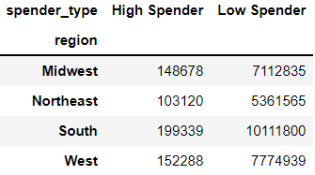
Are there differences in ordering habits based on a customer’s region? | As you can see from the chart, throughout the regions there are many more low spenders than there are high spenders. We can also clearly see that the regions have a clear order to who has the most Instacart customers: South, then West, then Midwest, then Northeast. But when we analyze this data further by finding which regions have the highest percentage of high spender customers, to give us a better idea of where to advertise. When we do this we come up with the following figures: the South has 1.94% of their customers as high spenders, the West has 1.93%, the Midwest has 2.05%, and the Northeast has 1.89%. So while the South may have more customers in numbers than any other region, it is actually the Midwest that has the customers with the highest expenditures on this service. This is the region in which the marketing department should focus its energy.

What different classifications does the demographic information suggest? Age? Income? Certain types of goods? Family status? | In regards to age, we see a steady balance of adults and seniors with the younger customers being least likely to use the service. I believe with the time pressures of being an adult in modern society, having a service that will deliver grocery goods directly to your home is a useful thing, which is why we see this in the upper age groups. Middle class customers are the dominant users of the service, with the lower class the second most prevelant and the upper class being least likely to use it. I find this to be rather typical; middle class and lower class tend to have less time to do all of the errands they need to, whether it be a second job or having to raise kids, so it is logical to find a service to help carry the load. What is least surprising is that those customers who are dependents of some kind are much more likely to use the app than those who are not a parent nor a guardian. With the added time commitments and pressures of having to care for another, using something like Instacart makes perfectly logical sense. Overall, the profile of the customer most likely to use this service are middle class adults with dependents. The number of customers that fit this profile are almost double the next highest profile, middle class seniors with dependents. When looking at the goods distribution amoung the customer profiles, they all are rather similar in their distribution; one profile does not deviate much from all the others. Produce is by far the most popular good purchased, followed by dairy/eggs and beverages. This is true for all customers, regardless of demographic or region.

